3.6 step 2 numerical film table
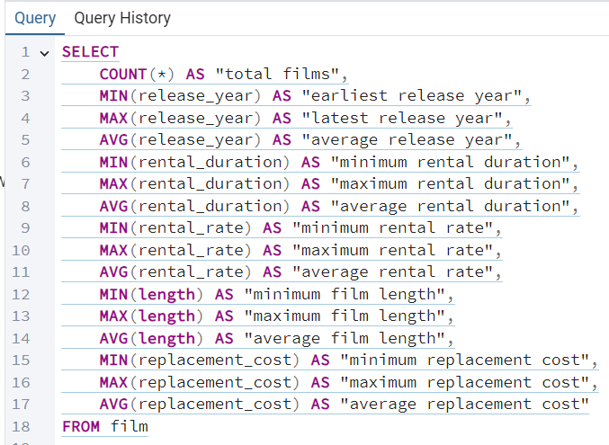
total films | earliest release year | latest release year | average release year | minimum rental duration | maximum rental duration | average rental duration | minimum rental rate | maximum rental rate | average rental rate | minimum film length | maximum film length | average film length | minimum replacement cost | maximum replacement cost | average replacement cost
1000 | 2006 | 2006 | 2006 | 3 | 7 | 4.985 | 0.99 | 4.99 | 2.98 | 46 | 185 | 115.272 | 9.99 | 29.99 | 19.984

3.7 Step 1
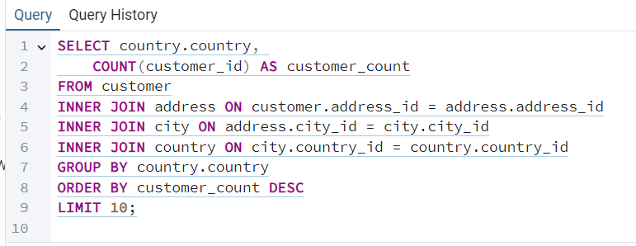
country | customer_count
India | 60
China | 53
United States | 36
Japan | 31
Mexico | 30
Brazil | 28
Russian Federation | 28
Philippines | 20
Turkey | 15
Indonesia | 14

3.7 Step 2
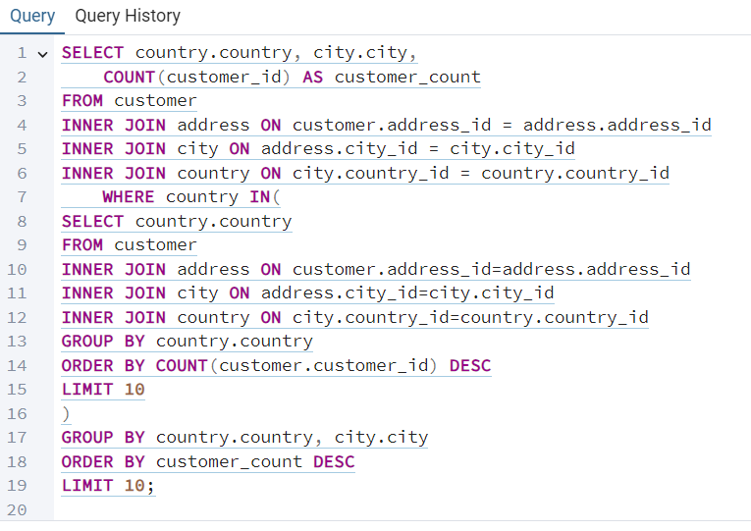
country | city | customer_count
United States | Aurora | 2
Mexico | Acua | 1
United States | Citrus Heights | 1
Japan | Iwaki | 1
India | Ambattur | 1
China | Shanwei | 1
Brazil | So Leopoldo | 1
Russian Federation | Teboksary | 1
China | Tianjin | 1
Indonesia | Cianjur | 1

3.7 Step 3
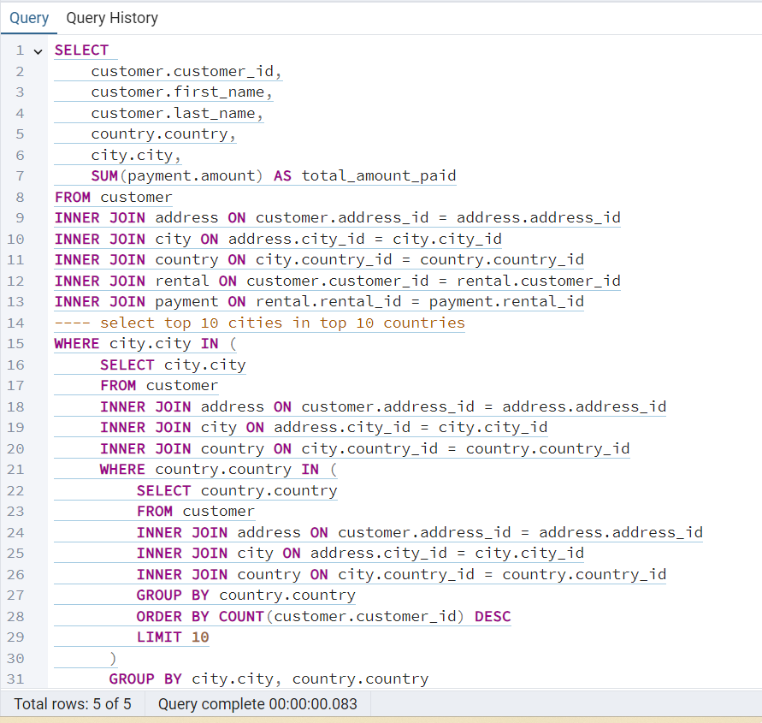
customer_id | first_name | last_name | country | city | total_amount_paid
84 | Sara | Perry | Mexico | Atlixco | 128.7
518 | Gabriel | Harder | Turkey | Sivas | 108.75
587 | Sergio | Stanfield | Mexico | Celaya | 102.76
537 | Clinton | Buford | United States | Aurora | 98.76
367 | Adam | Gooch | India | Adoni | 97.8
443 | Francisco | Skidmore | Brazil | So Leopoldo | 93.79
34 | Rebecca | Scott | Japan | Kurashiki | 89.76
169 | Erica | Matthews | China | Pingxiang | 86.8
440 | Bernard | Colby | India | Dhule (Dhulia) | 83.79
564 | Bob | Pfeiffer | China | Xintai | 82.78

